E3 CA Pathways Data
California Pathways model results
Scoping Plan scenario results
New sales data

Mid value of sales

HDV freight
 | 2015 | 2016 | 2017 | 2018 | 2019 | 2020 | 2021 | 2022 | 2023 | 2024 | 2025 | 2026 | 2027 | 2028 | 2029 | 2030 | 2031 | 2032 | 2033 | 2034 | 2035 | 2036 | 2037 | 2038 | 2039 | 2040 | 2041 | 2042 | 2043 | 2044 | 2045 | 2046 | 2047 | 2048 | 2049 | 2050
SP HDV Diesel | 1.92E+04 | 1.98E+04 | 1.62E+04 | 1.87E+04 | 2.12E+04 | 2.06E+04 | 2.00E+04 | 1.93E+04 | 1.15E+04 | 2.34E+04 | 2.25E+04 | 2.16E+04 | 1.99E+04 | 1.93E+04 | 2.00E+04 | 2.00E+04 | 2.05E+04 | 2.04E+04 | 2.04E+04 | 2.13E+04 | 2.30E+04 | 2.26E+04 | 2.30E+04 | 2.39E+04 | 2.44E+04 | 2.48E+04 | 2.21E+04 | 2.21E+04 | 2.23E+04 | 2.20E+04 | 2.18E+04 | 2.17E+04 | 2.16E+04 | 2.19E+04 | 2.20E+04 | 2.21E+04
SP HDV CNG | 718.06839448 | 739.1876675 | 611.52106386 | 844.94618388 | 1520.1501006 | 1639.161353 | 1599.1396743 | 1545.8893504 | 921.04359129 | 1864.7348527 | 1779.357872 | 1692.1988099 | 1540.8501463 | 1481.6160871 | 1544.2237928 | 1552.5800163 | 1616.6596447 | 1649.9994044 | 1697.5087748 | 1831.198072 | 2035.7157808 | 2084.4423062 | 2204.3306284 | 2374.4797223 | 2533.198209 | 2731.3672204 | 2689.8909711 | 2943.2298303 | 3258.9320535 | 3519.0179336 | 3746.7550701 | 3935.5854898 | 4047.6757743 | 4181.5447204 | 4275.7537962 | 4365.5468093
SP HDV Hydrogen FCV | 1.63E-05 | 3.14E-05 | 0.80841811668 | 1.8880200532 | 3.2849707567 | 4.2949056187 | 7.0840491264 | 9.6754169567 | 7.4642437885 | 18.62192019 | 21.24614472 | 23.665550593 | 24.774792388 | 26.879659102 | 31.086053778 | 34.193576702 | 35.512060887 | 36.15514601 | 37.316356534 | 41.046975566 | 47.892099869 | 53.284632438 | 65.027984784 | 86.88133809 | 122.8257563 | 183.95619222 | 248.34442292 | 367.68327829 | 518.79787788 | 662.67166376 | 785.45458076 | 879.55938703 | 935.81092595 | 985.44482797 | 1015.7825065 | 1039.5271977
SP HDV Battery Electric | 0.1446269303 | 0.21143082688 | 8.3292595146 | 19.286596362 | 33.518910491 | 43.880248865 | 42.955440246 | 69.847309842 | 58.742816258 | 154.56655382 | 183.14050427 | 210.17704741 | 225.78579081 | 250.91733056 | 297.0984571 | 334.72810085 | 356.79552149 | 374.05220583 | 397.43618847 | 446.97336673 | 523.60102102 | 563.40134612 | 628.88941585 | 714.16673823 | 793.47087772 | 876.43108683 | 855.49988071 | 920.13968095 | 989.40015829 | 1037.4270666 | 1084.5635856 | 1133.718361 | 1173.4289102 | 1226.8994564 | 1274.7178354 | 1324.2926263
Total | 1.99E+04 | 2.05E+04 | 1.68E+04 | 1.96E+04 | 2.27E+04 | 2.23E+04 | 2.16E+04 | 2.09E+04 | 1.25E+04 | 2.54E+04 | 2.45E+04 | 2.36E+04 | 2.17E+04 | 2.10E+04 | 2.19E+04 | 2.19E+04 | 2.25E+04 | 2.25E+04 | 2.25E+04 | 2.36E+04 | 2.57E+04 | 2.53E+04 | 2.59E+04 | 2.71E+04 | 2.78E+04 | 2.86E+04 | 2.59E+04 | 2.64E+04 | 2.71E+04 | 2.72E+04 | 2.74E+04 | 2.77E+04 | 2.78E+04 | 2.82E+04 | 2.85E+04 | 2.89E+04

SP HDV Diesel | 96% | 9.64E-01 | 9.63E-01 | 9.56E-01 | 9.31E-01 | 9.24E-01 | 9.24E-01 | 9.22E-01 | 9.21E-01 | 9.20E-01 | 9.19E-01 | 9.18E-01 | 9.18E-01 | 9.16E-01 | 9.15E-01 | 9.12E-01 | 9.11E-01 | 9.08E-01 | 9.05E-01 | 9.02E-01 | 8.98E-01 | 8.93E-01 | 8.88E-01 | 8.83E-01 | 8.76E-01 | 8.68E-01 | 8.54E-01 | 8.40E-01 | 8.24E-01 | 8.08E-01 | 7.95E-01 | 7.85E-01 | 7.78E-01 | 7.74E-01 | 7.70E-01 | 7.67E-01
SP HDV CNG | 3.60% | 3.60% | 3.65% | 4.31% | 6.69% | 7.36% | 7.40% | 7.39% | 7.38% | 7.34% | 7.27% | 7.18% | 7.09% | 7.05% | 7.05% | 7.10% | 7.19% | 7.34% | 7.54% | 7.75% | 7.94% | 8.23% | 8.51% | 8.77% | 9.11% | 9.54% | 10.38% | 11.16% | 12.03% | 12.94% | 13.68% | 14.21% | 14.58% | 14.80% | 14.98% | 15.13%
SP HDV Hydrogen FCV | 0% | 0% | 0% | 0% | 0% | 0% | 0% | 0% | 0% | 0% | 0% | 0% | 0% | 0% | 0% | 0% | 0% | 0% | 0% | 0% | 0% | 0% | 0% | 0% | 0% | 1% | 1% | 1% | 2% | 2% | 3% | 3% | 3% | 3% | 4% | 4%
SP HDV Battery Electric | 0% | 0% | 0% | 0% | 0% | 0% | 0% | 0% | 0.470% | 1% | 1% | 1% | 1% | 1% | 1% | 2% | 2% | 2% | 2% | 2% | 2% | 2% | 2% | 3% | 3% | 3% | 3% | 3% | 4% | 4% | 4% | 4% | 4% | 4% | 4% | 5%
ZEV | 0% | 0% | 0% | 0% | 0% | 0% | 0% | 0% | 1% | 1% | 1% | 1% | 1% | 1% | 1% | 2% | 2% | 2% | 2% | 2% | 2% | 2% | 3% | 3% | 3% | 4% | 4% | 5% | 6% | 6% | 7% | 7% | 8% | 8% | 8% | 8%
smoothed

MDV freight
 | 2015 | 2016 | 2017 | 2018 | 2019 | 2020 | 2021 | 2022 | 2023 | 2024 | 2025 | 2026 | 2027 | 2028 | 2029 | 2030 | 2031 | 2032 | 2033 | 2034 | 2035 | 2036 | 2037 | 2038 | 2039 | 2040 | 2041 | 2042 | 2043 | 2044 | 2045 | 2046 | 2047 | 2048 | 2049 | 2050
Baseline MDV-Gasoline | 0 | 0 | 0 | 0 | 0 | 0 | 0 | 0 | 0 | 0 | 0 | 0 | 0 | 0 | 0 | 0 | 0 | 0 | 0 | 0 | 0 | 0 | 0 | 0 | 0 | 0 | 0 | 0 | 0 | 0 | 0 | 0 | 0 | 0 | 0 | 0
SP MDV Gasoline | 1.84E+04 | 2.10E+04 | 1.39E+04 | 5044.7779912 | 4892.4444962 | 4905.5409723 | 4621.6856396 | 6374.7950443 | 6766.7046892 | 1.17E+04 | 1.75E+04 | 2.51E+04 | 3.00E+04 | 2.93E+04 | 2.88E+04 | 2.83E+04 | 2.73E+04 | 2.60E+04 | 2.32E+04 | 2.06E+04 | 1.81E+04 | 1.58E+04 | 1.38E+04 | 1.24E+04 | 1.14E+04 | 1.10E+04 | 1.01E+04 | 1.07E+04 | 1.16E+04 | 1.24E+04 | 1.33E+04 | 1.41E+04 | 1.47E+04 | 1.50E+04 | 1.52E+04 | 1.51E+04
SP MDV Diesel | 2.08E+04 | 2.43E+04 | 3.70E+04 | 5.62E+04 | 5.84E+04 | 5.68E+04 | 5.10E+04 | 5.99E+04 | 4.74E+04 | 5.05E+04 | 4.29E+04 | 3.45E+04 | 2.85E+04 | 2.69E+04 | 2.58E+04 | 2.45E+04 | 2.03E+04 | 2.10E+04 | 2.11E+04 | 2.21E+04 | 2.41E+04 | 2.55E+04 | 2.73E+04 | 2.96E+04 | 3.17E+04 | 3.41E+04 | 3.33E+04 | 3.51E+04 | 3.67E+04 | 3.69E+04 | 3.71E+04 | 3.70E+04 | 3.69E+04 | 3.66E+04 | 3.64E+04 | 3.65E+04
SP MDV CNG | 0 | 0 | 0 | 0 | 0 | 0 | 0 | 3248.5672408 | 5635.1046737 | 1.04E+04 | 1.04E+04 | 1.04E+04 | 9995.7847619 | 8712.2850452 | 8191.0987002 | 7962.398552 | 9730.4130913 | 1.03E+04 | 1.06E+04 | 1.13E+04 | 1.26E+04 | 1.35E+04 | 1.46E+04 | 1.57E+04 | 1.65E+04 | 1.67E+04 | 1.50E+04 | 1.45E+04 | 1.40E+04 | 1.31E+04 | 1.24E+04 | 1.18E+04 | 1.13E+04 | 1.08E+04 | 1.04E+04 | 1.03E+04
SP MDV Hydrogen FCV | 1.0564455759 | 1.9419579034 | 3.4653941338 | 6.6239812701 | 10.986136709 | 16.872131868 | 24.115979763 | 48.005420192 | 65.658727401 | 127.47659662 | 197.28851155 | 307.11585864 | 447.88979967 | 582.10216738 | 791.96375026 | 1071.2367963 | 1735.8518858 | 2310.0541282 | 2820.5327738 | 3391.8613081 | 4079.5195876 | 4562.926129 | 5011.0013266 | 5438.5749919 | 5726.280223 | 5939.2909514 | 5510.2988927 | 5528.6631413 | 5562.7077356 | 5414.9481941 | 5400.8079711 | 5445.9961548 | 5576.2724184 | 5701.363345 | 5901.7373322 | 6220.0604358
SP MDV Battery Electric | 5.2228540474 | 11.87036987 | 26.155295487 | 61.565552199 | 125.07953341 | 232.89997405 | 395.86356069 | 904.94030318 | 1341.3439333 | 2593.4691885 | 3606.6040173 | 4567.4040782 | 5032.1556021 | 4750.8587511 | 4664.2706484 | 4639.7091503 | 5735.7479013 | 6109.1459357 | 6283.5875725 | 6679.0164493 | 7391.007393 | 7865.8320338 | 8425.5746178 | 9078.8730104 | 9624.5215993 | 1.01E+04 | 9759.8391787 | 1.01E+04 | 1.04E+04 | 1.04E+04 | 1.05E+04 | 1.05E+04 | 1.06E+04 | 1.07E+04 | 1.09E+04 | 1.12E+04
Total | 3.91E+04 | 4.53E+04 | 5.09E+04 | 6.13E+04 | 6.34E+04 | 6.20E+04 | 5.61E+04 | 7.05E+04 | 6.12E+04 | 7.54E+04 | 7.46E+04 | 7.49E+04 | 7.40E+04 | 7.03E+04 | 6.82E+04 | 6.65E+04 | 6.48E+04 | 6.57E+04 | 6.40E+04 | 6.41E+04 | 6.63E+04 | 6.72E+04 | 6.92E+04 | 7.23E+04 | 7.50E+04 | 7.79E+04 | 7.37E+04 | 7.58E+04 | 7.83E+04 | 7.81E+04 | 7.87E+04 | 7.88E+04 | 7.91E+04 | 7.88E+04 | 7.88E+04 | 7.94E+04

SP MDV Gasoline | 47% | 46% | 27% | 8% | 8% | 8% | 8% | 9% | 11% | 16% | 24% | 34% | 41% | 42% | 42% | 43% | 42% | 40% | 36% | 32% | 27% | 23% | 20% | 17% | 15% | 14% | 14% | 14% | 15% | 16% | 17% | 18% | 19% | 19% | 19% | 19%
SP MDV Diesel | 53% | 54% | 73% | 92% | 92% | 92% | 91% | 85% | 77% | 67% | 57% | 46% | 39% | 38% | 38% | 37% | 31% | 32% | 33% | 34% | 36% | 38% | 39% | 41% | 42% | 44% | 45% | 46% | 47% | 47% | 47% | 47% | 47% | 46% | 46% | 46%
SP MDV CNG | 0.00% | 0.00% | 0.00% | 0.00% | 0.00% | 0.00% | 0.00% | 4.61% | 9.20% | 13.86% | 13.90% | 13.93% | 13.51% | 12.40% | 12.01% | 11.97% | 15.02% | 15.69% | 16.55% | 17.63% | 18.98% | 20.08% | 21.08% | 21.78% | 21.97% | 21.45% | 20.43% | 19.07% | 17.85% | 16.72% | 15.77% | 14.93% | 14.23% | 13.65% | 13.23% | 12.99%
ZEV | 0% | 0% | 0% | 0% | 0% | 0% | 1% | 1% | 2% | 4% | 5% | 7% | 7% | 8% | 8% | 9% | 12% | 13% | 14% | 16% | 17% | 18% | 19% | 20% | 20% | 21% | 21% | 21% | 20% | 20% | 20% | 20% | 20% | 21% | 21% | 22%

smoothed trend
original data | 0 |  |  |  |  |  |  |  | 9.20% |  |  |  |  |  |  |  | 15.02%
new values | 1.02% | 2.045% | 3.068% | 4.091% | 5.114% | 6.136% | 7.159% | 8.182% | 9.20% | 9.93% | 10.66% | 11.39% | 12.11% | 12.84% | 13.57% | 14.29% | 15%
full time series with smoothed value | 0.00% | 2.05% | 3.07% | 4.09% | 5.11% | 6.14% | 7.16% | 8.18% | 9.20% | 9.93% | 10.66% | 11.39% | 12.11% | 12.84% | 13.57% | 14.29% | 15.02% | 15.69% | 16.55% | 17.63% | 18.98% | 20.08% | 21.08% | 21.78% | 21.97% | 21.45% | 20.43% | 19.07% | 17.85% | 16.72% | 15.77% | 14.93% | 14.23% | 13.65% | 13.23% | 12.99%

HDV passenger (Bus)

 | 2015 | 2016 | 2017 | 2018 | 2019 | 2020 | 2021 | 2022 | 2023 | 2024 | 2025 | 2026 | 2027 | 2028 | 2029 | 2030 | 2031 | 2032 | 2033 | 2034 | 2035 | 2036 | 2037 | 2038 | 2039 | 2040 | 2041 | 2042 | 2043 | 2044 | 2045 | 2046 | 2047 | 2048 | 2049 | 2050
Gasoline Bus | 2088.5482493 | 2308.5473764 | 2321.1327866 | 2365.9200786 | 2479.5556252 | 2401.5474915 | 2208.1296388 | 2497.4738759 | 2299.2857917 | 2375.4658114 | 2369.2830739 | 2505.2420026 | 2061.5249728 | 2109.8782271 | 2234.3470797 | 2285.0352648 | 2367.7030153 | 2503.269937 | 2470.8613727 | 2521.66497 | 2610.9404096 | 2595.790443 | 2548.0311766 | 2623.5682131 | 2631.0306116 | 2644.9623121 | 2661.2951154 | 2738.9703597 | 2794.0697214 | 2853.8359584 | 2911.0652537 | 3000.4823146 | 3148.1199069 | 3169.221456 | 3279.6454344 | 3368.7562446
Diesel Bus | 2023.4746173 | 2232.6997484 | 2228.3235511 | 2301.2149953 | 2490.6010734 | 2448.9595615 | 2310.739956 | 2341.9953661 | 2039.4909466 | 2132.6517867 | 2095.9194092 | 2224.9736078 | 2668.9113738 | 2646.4037709 | 2791.1624299 | 2736.9649802 | 2755.3655823 | 2801.0464428 | 2376.4688617 | 2271.9821395 | 2366.5930342 | 2308.3381294 | 2207.0502077 | 2368.9359503 | 2402.4125849 | 2443.9105222 | 2459.7324038 | 2566.3508843 | 2560.5985899 | 2521.8030055 | 2428.1787016 | 2392.2562931 | 2449.1567851 | 2258.4511966 | 2302.3651652 | 2321.6566484
CNG Bus | 259.96253511 | 324.15489692 | 348.27817152 | 424.94417334 | 540.64532506 | 599.16503088 | 570.24176737 | 199.25737394 | 145.61084016 | 165.1083163 | 155.8684243 | 183.08807406 | 178.89537037 | 171.25613591 | 189.35354511 | 178.49538982 | 179.36091392 | 199.83634645 | 152.30489882 | 130.51611233 | 111.38210239 | 71.31257394 | 42.229222002 | 38.815007528 | 32.961859985 | 30.276934454 | 28.10187041 | 30.04708166 | 28.883725712 | 26.750220591 | 23.405218839 | 21.977895809 | 24.928191679 | 18.553882474 | 19.951801058 | 20.611353718
LNG Bus | 0 | 0 | 0 | 0 | 0 | 0 | 0 | 0 | 0 | 0 | 0 | 0 | 0 | 0 | 0 | 0 | 0 | 0 | 0 | 0 | 0 | 0 | 0 | 0 | 0 | 0 | 0 | 0 | 0 | 0 | 0 | 0 | 0 | 0 | 0 | 0
BEV Bus | 2.37E-11 | 38.147112014 | 75.436622728 | 78.047787646 | 96.017963951 | 93.3154505 | 192.84919845 | 305.54170772 | 274.52616362 | 286.06796188 | 283.75108174 | 303.60524418 | 307.80093428 | 311.69845187 | 331.94356703 | 340.19188864 | 382.52883717 | 550.66175474 | 775.74669993 | 920.19314603 | 986.85206996 | 969.96898781 | 937.29970362 | 982.85740231 | 992.17779835 | 1004.5842383 | 1010.4006847 | 1043.4192722 | 1044.4385247 | 1036.9887829 | 1013.750385 | 1008.0189645 | 1028.2385477 | 977.01533913 | 994.19798666 | 1003.6216825
Total | 4371.9854017 | 4903.5491337 | 4973.171132 | 5170.1270349 | 5606.8199876 | 5542.9875344 | 5281.9605606 | 5344.2683237 | 4758.913742 | 4959.2938763 | 4904.8219891 | 5216.9089287 | 5217.1326512 | 5239.2365858 | 5546.8066217 | 5540.6875235 | 5684.9583487 | 6054.8144811 | 5775.3818332 | 5844.3563679 | 6075.7676162 | 5945.4101341 | 5734.61031 | 6014.1765732 | 6058.5828548 | 6123.7340071 | 6159.5300743 | 6378.7875979 | 6427.9905617 | 6439.3779674 | 6376.399559 | 6422.7354681 | 6650.4434314 | 6423.2418742 | 6596.1603873 | 6714.6459293

Gasoline Bus | 0.47771162467 | 0.4707911175 | 0.46673092982 | 0.45761352916 | 0.44223920701 | 0.43325868525 | 0.41805114095 | 0.46731820423 | 0.4831534918 | 0.47899274991 | 0.48305179662 | 0.48021578235 | 0.39514520918 | 0.40270718692 | 0.40281683356 | 0.41241005834 | 0.41648555188 | 0.41343462213 | 0.42782649599 | 0.43147009034 | 0.42973013034 | 0.43660410038 | 0.44432507859 | 0.43623065953 | 0.43426502115 | 0.43191985626 | 0.43206138834 | 0.4293872962 | 0.43467234349 | 0.44318503633 | 0.45653745922 | 0.467165794 | 0.47336992479 | 0.4933990527 | 0.49720522878 | 0.50170273759
Diesel Bus | 0.46282739565 | 0.45532321335 | 0.44806894675 | 0.44509834666 | 0.4442092093 | 0.441812208 | 0.4374776997 | 0.43822563244 | 0.42856228483 | 0.43003133912 | 0.42731813995 | 0.42649270636 | 0.51156670766 | 0.50511247728 | 0.50320168346 | 0.49397569681 | 0.48467647665 | 0.46261474263 | 0.41148255308 | 0.38874804966 | 0.3895134218 | 0.38825549075 | 0.38486489725 | 0.39389198529 | 0.39653044986 | 0.39908828819 | 0.39933767254 | 0.40232580956 | 0.39835133006 | 0.39162214399 | 0.38080717482 | 0.37246688814 | 0.36826969666 | 0.35160612676 | 0.34904626783 | 0.34576010007
CNG Bus | 0.059460979674 | 0.066106179031 | 0.070031406979 | 0.08219221123 | 0.096426374712 | 0.10809424109 | 0.10796024711 | 0.037284313188 | 0.030597495155 | 0.033292706667 | 0.031778609834 | 0.035095125593 | 0.034289979252 | 0.03268723088 | 0.034137397971 | 0.032215386459 | 0.031550084085 | 0.03300453665 | 0.02637139902 | 0.022331990746 | 0.018332186058 | 0.01199455922 | 0.007363921822 | 0.0064539188458 | 0.0054405231017 | 0.0049441949012 | 0.0045623399953 | 0.0047104690662 | 0.0044934300128 | 0.0041541622073 | 0.0036706010379 | 0.0034218902394 | 0.0037483503071 | 0.0028885542281 | 0.0030247598431 | 0.0030696114039
BEV Bus | 0.000000 | 0.007779 | 0.015169 | 0.015096 | 0.017125 | 0.016835 | 0.036511 | 0.057172 | 0.057687 | 0.057683 | 0.057851 | 0.058196 | 0.058998 | 0.059493 | 0.059844 | 0.061399 | 0.067288 | 0.090946 | 0.134320 | 0.157450 | 0.162424 | 0.163146 | 0.163446 | 0.163423 | 0.163764 | 0.164048 | 0.164039 | 0.163576 | 0.162483 | 0.161039 | 0.158985 | 0.156945 | 0.154612 | 0.152106 | 0.150724 | 0.149468

As the thumbnail graph shows below, the pattern for non-conventional fuels is somewhat erratic. While these jumps and plateaus are likely to make
sense in the internal logic of Pathways, we do not want to import these sharp changes into the EPS.
Therefore, the EPS input data modifies to linear paths and lessened variation in local maximum or local minimum values.

smoothed trend
original data
CNG Bus |  | 0.066106179031
BEV Bus |  | 0.007779 |  |  |  |  |  |  |  |  |  |  |  |  |  |  |  |  |  |  | 0.162424

new values
full time series with smoothed values

CNG Bus |  | 0.066106179031 | 0.066106179031 | 0.066106179031 | 0.066106179031 | 0.066106179031 | 0.066106179031 | 0.066106179031 | 0.030597495155 | 0.033292706667 | 0.031778609834 | 0.035095125593 | 0.034289979252 | 0.03268723088 | 0.034137397971 | 0.032215386459 | 0.031550084085 | 0.03300453665 | 0.02637139902 | 0.022331990746 | 0.018332186058 | 0.01199455922 | 0.007363921822 | 0.0064539188458 | 0.0054405231017 | 0.0049441949012 | 0.0045623399953 | 0.0047104690662 | 0.0044934300128 | 0.0041541622073 | 0.0036706010379 | 0.0034218902394 | 0.0037483503071 | 0.0028885542281 | 0.0030247598431 | 0.0030696114039
BEV Bus |  | 0.007779 | 0.0155117287 | 0.023243967284 | 0.030976205868 | 0.038708444453 | 0.046440683037 | 0.054172921622 | 0.061905160206 | 0.069637398791 | 0.077369637375 | 0.085101875959 | 0.092834114544 | 0.10056635313 | 0.10829859171 | 0.1160308303 | 0.12376306888 | 0.13149530747 | 0.13922754605 | 0.14695978463 | 0.162424 | 0.162424 | 0.162424 | 0.162424 | 0.162424 | 0.162424 | 0.162424 | 0.162424 | 0.162424 | 0.162424 | 0.162424 | 0.162424 | 0.162424 | 0.162424 | 0.162424 | 0.162424

LDV psg calculations
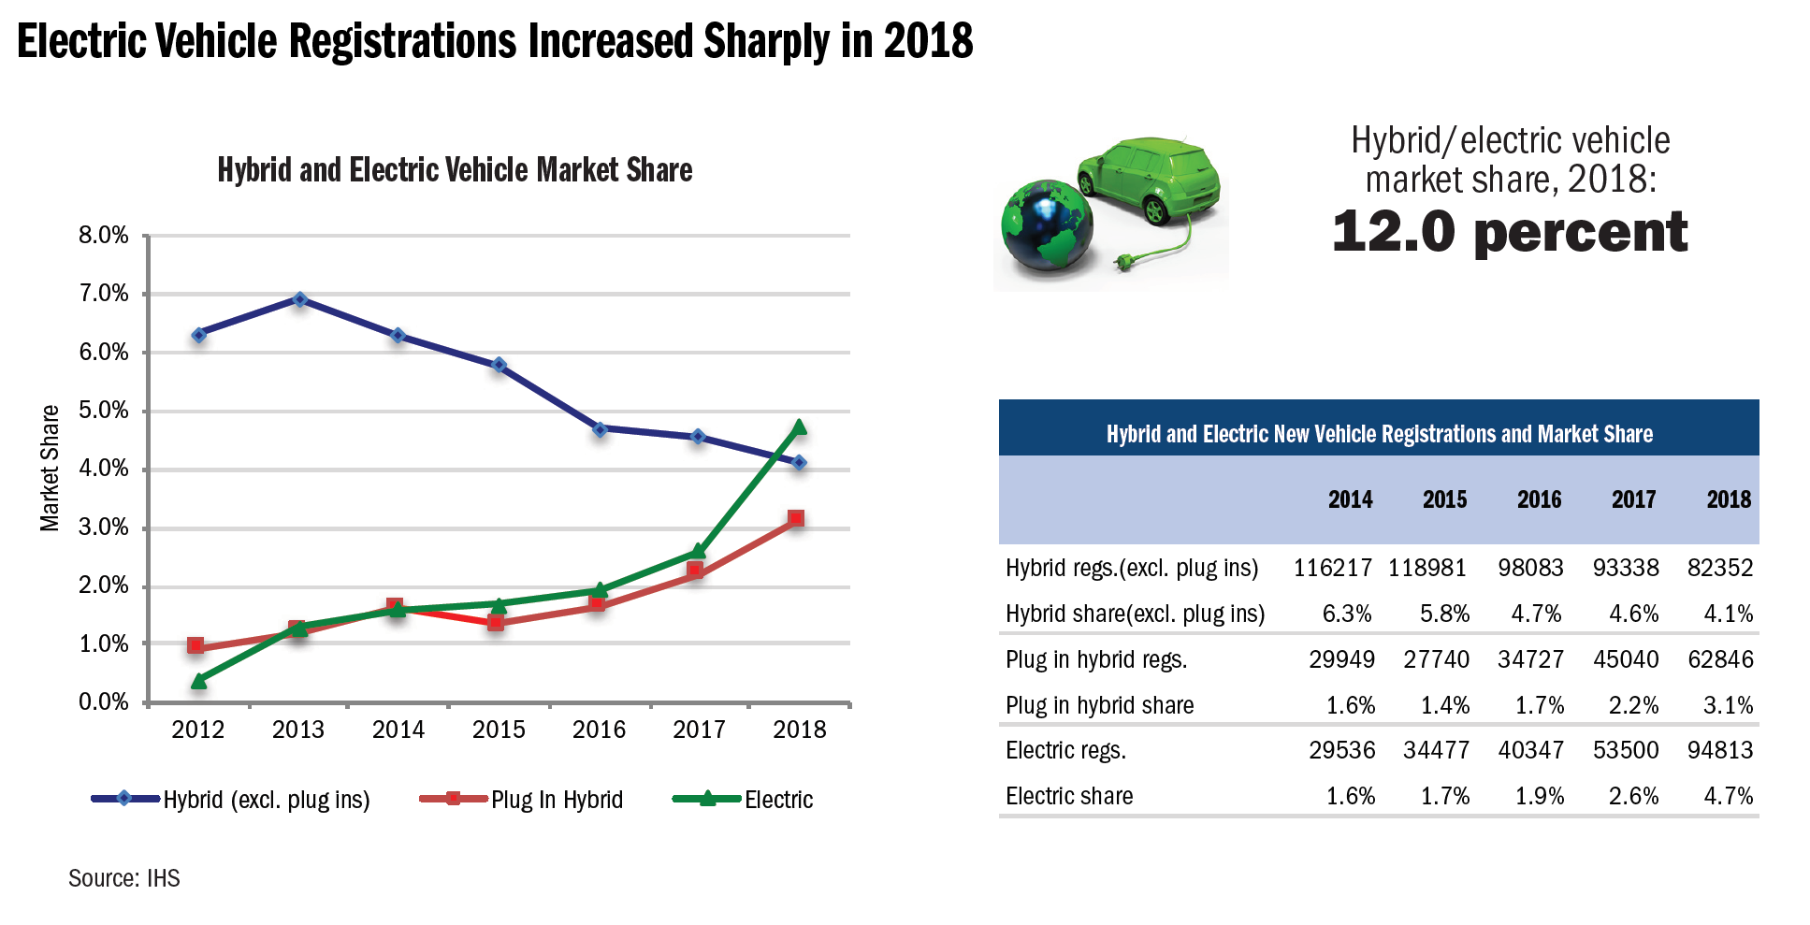

 |  |  |  |  |  |  | per the percentages shown in the table
 |  |  |  |  |  |  |  | 2016 | 2017
 |  |  |  |  |  |  | PHEV | 0.017 | 0.022
 |  |  |  |  |  |  | BEV | 0.019 | 0.026

New vehicle registrations
 | 2016 | 2017 | 2018 | 2019 | 2020 | 2021 | 2022 | 2023 | 2024 | 2025 | 2026 | 2027 | 2028 | 2029 | 2030 | 2031 | 2032 | 2033 | 2034 | 2035 | 2036 | 2037 | 2038 | 2039 | 2040 | 2041 | 2042 | 2043 | 2044 | 2045 | 2046 | 2044 | 2045 | 2046 | 2047 | 2048 | 2049 | 2047 | 2048 | 2049 | 2050
Years forward for statistical forecast for use as x-axis value in sigmoidal equation) |  | 1 | 2 | 3 | 4 | 5 | 6 | 7 | 8 | 9 | 10 | 11 | 12 | 13 | 14 | 15 | 16 | 17 | 18 | 19 | 20 | 21 | 22 | 23 | 24 | 25 | 26 | 27 | 28 | 29 | 30 | 31 | 32 | 33 | 34 | 35 | 36 | 37 | 38 | 39 | 40
PHEV | 34727 | 45040 | 62846
BEV | 40347 | 54500 | 94813
ZEV cum | 75074 | 99540 | 157659
 |  | 99540 | 117727
 |  | 100 | 117 |  |  |  |  |  |  |  |  |  |  |  | 600
Annual ZEV sales with Tesla adjustment |  |  | 117727
ZEV cumulative |  | 339600 | 457327
Stock for start year 2017
181500 | BEV
158100 | PHEV
339600

7 % annual increase

FROM THE META FORECAST -- ZEVs stock (millions) |  |  | 0.42059526254 | 0.54024915659 | 0.66604049372 | 0.80447502211 | 0.95481858876 | 1.120797898 | 1.3051340565 | 1.5147998332 | 1.6770141042 | 1.8957395856 | 2.1498294822 | 2.4339096611 | 2.76
ZEV stock |  | 0.340 | 420,595 | 540,249 | 666,040 | 804,475 | 954,819 | 1,120,798 | 1,305,134 | 1,514,800 | 1,677,014 | 1,895,740 | 2,149,829 | 2,433,910 | 2,755,472
Annual sales implied (millions) |  |  | 0.081 | 0.11965389405 | 0.12579133713 | 0.13843452839 | 0.15034356666 | 0.16597930923 | 0.18433615847 | 0.20966577678 | 0.16221427093 | 0.2187254814 | 0.25408989663 | 0.2840801789 | 0.32156229445
Annual sales implied |  |  | 80,995 | 119,654 | 125,791 | 138,435 | 150,344 | 165,979 | 184,336 | 209,666 | 162,214 | 218,725 | 254,090 | 284,080 | 321,562
These three years show an anomalous drop in sales |  |  |  |  |  |  |  |  |  | 200,000 | 205,000 | 218,725
Smooth out the values across 2026-2028

To estimate PHEV fraction of annual ZEV sales, use forecast from AEO

 | 2016 | 2017 | 2018 | 2019 | 2020 | 2021 | 2022 | 2023 | 2024 | 2025 | 2026 | 2027 | 2028 | 2029 | 2030 | 2031 | 2032 | 2033 | 2034 | 2035 | 2036 | 2037 | 2038 | 2039 | 2040 | 2041 | 2042 | 2043 | 2044 | 2045
PHEV vehicles |  |  | 32722.281864 | 31471.789986 | 29923.422001 | 31529.286472 | 32583.103171 | 34276.146965 | 36065.110205 | 39084.807929 | 30567.010248 | 41448.559287 | 48331.703478 | 54599.084343 | 60728.701162
BEV vehicles |  |  | 48272.980676 | 88182.104061 | 95867.91513 | 106905.24192 | 117760.46348 | 131703.16227 | 148271.04827 | 170580.96885 | 131647.26068 | 177276.92211 | 205758.19315 | 229481.09456 | 260833.59329
Check that adds to row 43 |  |  | 80995.26254 | 119653.89405 | 125791.33713 | 138434.52839 | 150343.56666 | 165979.30923 | 184336.15847 | 209665.77678 | 162214.27093 | 218725.4814 | 254089.89663 | 284080.1789 | 321562.29445

EPS new vehicle sales in Wip M |  |  | #REF! | #REF! | #REF! | #REF! | #REF! | #REF! | #REF! | #REF! | #REF! | #REF! | #REF! | #REF! | #REF! | #REF! | #REF! | #REF! | #REF! | #REF! | #REF! | #REF! | #REF! | #REF! | #REF! | #REF! | #REF! | #REF! | #REF! | #REF! | #REF! | #REF! | #REF! | #REF! | #REF!

% implied
PHEV vehicles | 0.017 | 0.022 | #REF! | #REF! | #REF! | #REF! | #REF! | #REF! | #REF! | #REF! | #REF! | #REF! | #REF! | #REF! | #REF!
BEV vehicles | 0.019 | 0.026 | #REF! | #REF! | #REF! | #REF! | #REF! | #REF! | #REF! | #REF! | #REF! | #REF! | #REF! | #REF! | #REF! | #REF! | #REF! | #REF! | #REF! | #REF! | #REF! | #REF! | #REF! | #REF! | #REF! | #REF! | #REF! | #REF! | #REF! | #REF!
 |  |  |  |  |  |  |  |  |  |  |  |  |  |  |  | 0.25 | 0.225 | 0.2025 | 0.18225 | 0.164025 | 0.1476225 | 0.13286025 | 0.119574225 | 0.1076168025 | 0.09685512225 | 0.087169610025 | 0.078452649023 | 0.07060738412 | 0.063546645708 | 0.057191981137
with smoothing of curve to eliminate outlier of lower sales in 2026
% implied
PHEV vehicles | 0.017 | 0.022 | #REF! | #REF! | #REF! | #REF! | #REF! | #REF! | #REF! | #REF! | #REF! | #REF! | #REF! | #REF! | #REF!
BEV vehicles | 0.019 | 0.026 | #REF! | #REF! | #REF! | #REF! | #REF! | #REF! | #REF! | #REF! | #REF! | #REF! | #REF! | #REF! | #REF! | #REF! | #REF! | #REF! | #REF! | #REF! | #REF! | #REF! | #REF! | #REF! | #REF! | #REF! | #REF! | #REF! | #REF! | #REF!

Because of the way allocation occurs, via a distribution of prices, these initial max % levels are constraining too tightly.
 |  |  |  |  |  |  |  |  |  |  |  |  |  |  |  | after 2030
The results are lower than expected as calculated via the BAU method developed above. |  |  |  |  |  |  |  |  |  |  |  |  |  |  |  | grows at 25% declining 10%

The parameters were adjusted upwards to more closely approximate the stock effects expected under adoption at the meta trend or composite forecast rate.
Specifically the BEV % allowed is increased by the following % over the initially calculated value

 | 15.0% | increase | through 2025
 | hold constant 2025-2026-2027
 | calculated max % bounds through 2030
 |  |  | #REF! | #REF! | #REF! | #REF! | #REF! | #REF! | #REF! | #REF! | #REF! | #REF! | #REF! | #REF! | #REF!

Chart composite and inputs
A Composite Forecast of the California Zero Emission Vehicle Stock
 | Actual | Next10 / Beacon Economics | Accenture | Bloomberg New Energy Finance | Composite forecast | EIA Annual Energy Outlook 2019 | RBC Capital | JP Morgan | ARB compliance minimum
2017 | 296
2018 | 454 | 424 | 502 | 454 | 421 | 380 |  | 389 | 375.04166667
2019 |  | 577 | 640 | 588.75141388 | 540 | 476 | 576.41617474 | 470 | 454.08333333
2020 |  | 759 | 794 | 733.50498801 | 666 | 593 | 698.83234948 | 551 | 533.125
2021 |  | 975 | 965 | 892.91917479 | 804 | 734 | 821.24852422 | 632 | 612.16666667
2022 |  | 1,225 | 1,152 | 1072.2347642 | 955 | 887 | 943.66469896 | 713 | 691.20833333
2023 |  | 1,517 | 1,372 | 1277.2212348 | 1121 | 1049 | 1066.0808737 | 794 | 770.25
2024 |  | 1,860 | 1,625 | 1514.1360717 | 1305 | 1224 | 1188.4970484 | 875 | 849.29166667
2025 |  | 2,266 | 1,944 | 1789.6925055 | 1515 | 1409 | 1310.9132232 | 956 | 928.33333333
2026 |  |  | 2,296 | 2111.0330954 | 1677 | 1592 | 1457.8126329 |  | 928.33333333
2027 |  |  | 2,682 | 2485.7075678 | 1896 | 1777 | 1605.9362043 |  | 928.33333333
2028 |  |  | 3,168 | 2921.6538705 | 2150 | 1963 | 1768.8721329 |  | 928.33333333
2029 |  |  | 3,705 | 3427.1817278 | 2434 | 2161 | 1948.1016543 |  | 928.33333333
2030 |  |  | 4,326 | 4010.9581865 | 2755 | 2367 | 2145.2541279 |  | 928.33333333

CARB minimum compliance
 | 2017 | 2018 | 2019 | 2020 | 2021 | 2022 | 2023 | 2024 | 2025
Actual | 296 | 454
imputed additions |  |  | 0 | 0 | 0 | 0 | 0 | 0 | 0
imputed stock |  |  | 454 | 454 | 454 | 454 | 454 | 454 | 454
 |  |  |  |  |  |  |  |  |  | 2025 scenarios
annual imputed | 79.041666667 |  |  |  |  |  |  |  |  |  | 975
 | 296 | 375.04166667 | 454.08333333 | 533.125 | 612.16666667 | 691.20833333 | 770.25 | 849.29166667 | 928.33333333 |  | 960
 |  |  |  |  |  |  |  |  |  |  | 850

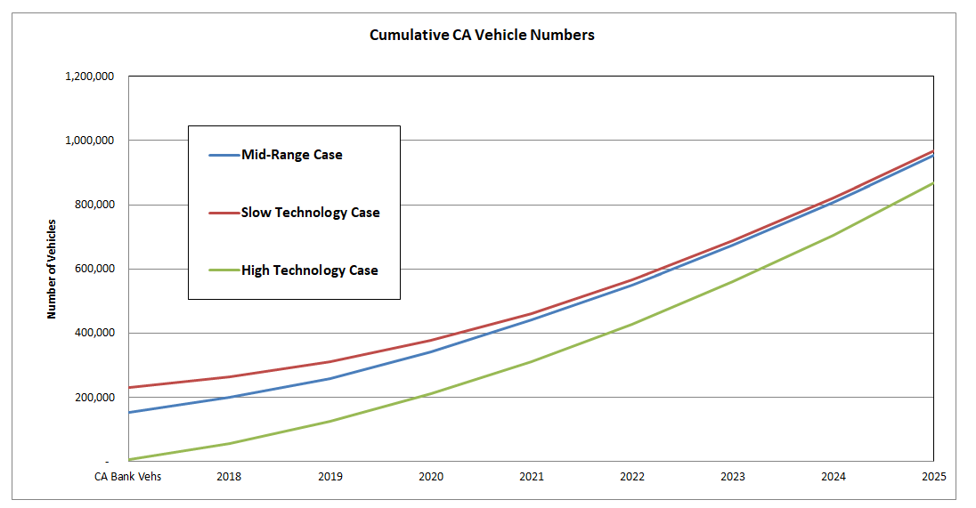
 |  |  |  |  |  |  |  |  |  | average | 928.33333333

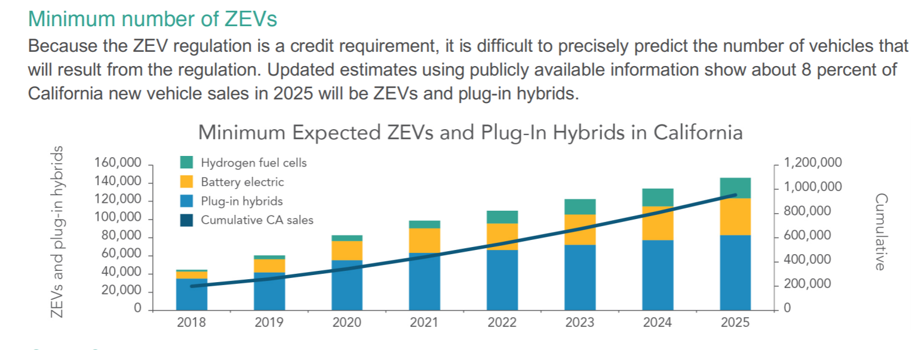

 | Source:

 |  |  |  |  |  |  |  |  |  | https://www.arb.ca.gov/msprog/zevprog/factsheets/zev_regulation_factsheet_082418.pdf
 | Notes
 | California Zero Emission Vehicle (ZEV) mandate calls for 15% of sales to be zero emission vehicles by 2025. The ZEV mandate reaches a plateau in that year, and so the required percentage is held constant thereafter.
 | However, the number of full ZEVs required is expected to be substantially less than 15% in 2020.
 | We pull data from CARB's anticipated compliance pathway to represent the required ZEV uptake expected from the mandate.

 | "The reduction in the estimated effect of the standard is primarily due to two factors: the range of EVs has increased far faster than anticipated (increasing the ZEV credits earned per vehicle), and the current stockpile of ZEV credits from early compliance with the regulation which can be used in place of future ZEV sales."

 | http://blog.ucsusa.org/dave-reichmuth/what-will-it-take-for-automakers-to-meet-californias-ev-requirements-not-as-much-as-you-might-think

ARB ZEV credit calculator
https://www.arb.ca.gov/msprog/zevprog/zevcalculator/zevcalculator_2017.xlsx?_ga=2.86455262.715080125.1554731297-1525318673.1505238593

ZEV + PHEV % of Annual CA LDV Sales | 2.34% | 3.08% | 4.24% | 5.07% | 5.66% | 6.33% | 6.96% | 7.55%

Total Light Duty Vehicle Sales | 2018 | 2019 | 2020 | 2021 | 2022 | 2023 | 2024 | 2025 | 2026
Total US LDV Population 3 year Averages | 15,985,205 | 16,342,286 | 16,265,592 | 16,235,906 | 16,165,185 | 16,119,274 | 16,072,083 | 16,109,706 | 16,242,620 | % of US
Total S177 LDV Population | 2,557,633 | 2,614,766 | 2,602,495 | 2,597,745 | 2,586,430 | 2,579,084 | 2,571,533 | 2,577,553 | 2,598,819 | 16.0%
Total CA LDV Population | 1,918,225 | 1,961,074 | 1,951,871 | 1,948,309 | 1,939,822 | 1,934,313 | 1,928,650 | 1,933,165 | 1,949,114 | 12.0%
LVM CA Market Share of Annual Sales | 94% | 94% | 94% | 94% | 94% | 94% | 94% | 94% | 94%
IVM CA Market Share of Annual Sales | 6% | 6% | 6% | 6% | 6% | 6% | 6% | 6% | 6%
CA LVM Vehicle Population | 1,798,055 | 1,838,220 | 1,829,593 | 1,826,254 | 1,818,299 | 1,813,135 | 1,807,827 | 1,812,059 | 1,827,009
CA IVM Vehicle Population | 120,170 | 122,854 | 122,278 | 122,055 | 121,523 | 121,178 | 120,823 | 121,106 | 122,105
LVM S177 Market Share of Annual Sales | 92% | 92% | 92% | 92% | 92% | 92% | 92% | 92% | 92%
IVM S177 Market Share of Annual Sales | 8% | 8% | 8% | 8% | 8% | 8% | 8% | 8% | 8%
S177 State LVM Population | 2,363,530 | 2,416,326 | 2,404,987 | 2,400,597 | 2,390,141 | 2,383,353 | 2,376,375 | 2,381,938 | 2,401,590
S177 State IVM Population | 194,103 | 198,439 | 197,508 | 197,148 | 196,289 | 195,731 | 195,158 | 195,615 | 197,229
CA ZEV Requirement (Credits)
Min. ZEV % | 2.0% | 4.0% | 6.0% | 8.0% | 10.0% | 12.0% | 14.0% | 16.0% | 16.0%
Max. PHEV % | 2.5% | 3.0% | 3.5% | 4.0% | 4.5% | 5.0% | 5.5% | 6.0% | 6.0%
Total ZEV % | 4.5% | 7.0% | 9.5% | 12.0% | 14.5% | 17.0% | 19.5% | 22.0% | 22.0% | 2018-2025 TOTALS
CA Min. ZEV credits (LVM) | 35,961 | 73,529 | 109,776 | 146,100 | 181,830 | 217,576 | 253,096 | 289,929 | 292,321.48 | 1,307,797
CA Max. PHEV credits (LVM) | 44,951 | 55,147 | 64,036 | 73,050 | 81,823 | 90,657 | 99,430 | 108,724 | 109,620.55 | 617,818
CA Total ZEV credits (LVM) | 80,912 | 128,675 | 173,811 | 219,150 | 263,653 | 308,233 | 352,526 | 398,653 | 401,942 | 1,925,615
CA Total IVM req credits | 5,408 | 8,600 | 11,616 | 14,647 | 17,621 | 20,600 | 23,561 | 26,643 | 26,863 | 128,695
CA Total credit requirement (All Manufacturers) | 86,320 | 137,275 | 185,428 | 233,797 | 281,274 | 328,833 | 376,087 | 425,296 | 428,805 | 2,054,311
S177 ZEV Requirement (Credits)
% of LVMs (S177 volumes) taking Optional Compliance Path | 90% | 90% | 90%
Optional Comp Path reduction in Min. ZEV% | 62.5% | 75.0% | 87.5%
Min. ZEV % in S177 States | 1.25% | 3.0% | 5.3% | 8.0% | 10.0% | 12.0% | 14.0% | 16.0% | 16.0%
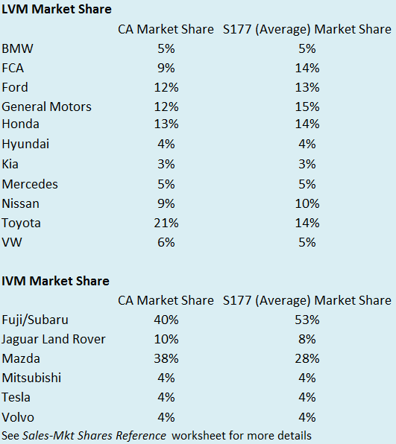
Optional Comp Path reduction in Max. PHEV% | 90.0% | 100.0% | 100.0%
Max. PHEV % in S177 States | 2.3% | 3.0% | 3.5% | 4.0% | 4.5% | 5.0% | 5.5% | 6.0% | 6.0%
Total % in S177 States | 3.5% | 6.0% | 8.8% | 12.0% | 14.5% | 17.0% | 19.5% | 22.0% | 22.0% | 2018-2025 TOTALS
S177 Min. ZEV credits (LVM) | 31,317 | 74,906 | 128,066 | 192,048 | 239,014 | 286,002 | 332,692 | 381,110 | 384,254 | 1,665,155
S177 Max. PHEV credits (LVM) | 53,770 | 72,490 | 84,175 | 96,024 | 107,556 | 119,168 | 130,701 | 142,916 | 144,095 | 806,799
S177 Total ZEV credits (LVM) | 85,087 | 147,396 | 212,240 | 288,072 | 346,570 | 405,170 | 463,393 | 524,026 | 528,350 | 2,471,955
S177 Total IVM req credits | 8,735 | 13,891 | 18,763 | 23,658 | 28,462 | 33,274 | 38,056 | 43,035 | 43,390 | 207,874
S177 Total credit requirement (All Manufacturers) | 93,822 | 161,287 | 231,003 | 311,729 | 375,032 | 438,444 | 501,449 | 567,062 | 571,740 | 2,679,828
CA GHG Over-Compliance
% of LVMs taking this path | 10% | 10% | 10% | 10%
% of IVMs taking this path | 0% | 0% | 0% | 0%
% of ZEV requirement (Overall and Min. ZEV) allowed to be fulfilled with Over-Compliance credits | 50% | 50% | 40% | 30%
Maximum # of credits allowed to be fulfilled with GHG Over-Compliance credits (LVM) | 4,046 | 6,434 | 6,952 | 6,575
Maximum # credits allowed to fulfill Min. ZEV by Over-Compliance credits (LVM) | 1,798 | 3,676 | 4,391 | 4,383
Left over credits to fulfill PHEV credits (LVM) | 2,248 | 2,757 | 2,561 | 2,192
Maximum # of credits allowed to be fulfilled with GHG Over-Compliance credits (IVM) | - | - | - | -
S177 GHG Over-Compliance
% of ZEV requirement (Overall and Min. ZEV) allowed to be fulfilled with Over-Compliance credits | 50% | 50% | 40% | 30%
Maximum # of credits allowed to be fulfilled with GHG Over-Compliance credits (LVM) | 4,254 | 7,370 | 8,490 | 8,642
Maximum # credits allowed to fulfill Min. ZEV by Over-Compliance credits (LVM) | 1,566 | 3,745 | 5,123 | 5,761
Left over credits to fulfill PHEV credits (LVM) | 2,689 | 3,624 | 3,367 | 2,881
Maximum # of credits allowed to be fulfilled with GHG Over-Compliance credits (IVM) | - | - | - | -
CA Historical PZEV, AT PZEV and NEV Credits
% of LVMs using this cap | 75% | 75% | 75% | 75% | 75% | 75% | 75% | 75%
% of IVMs using this cap | 75% | 75% | 75% | 75% | 75% | 75% | 75% | 75%
% of PHEV category allowed to be fulfilled with Historical PZEV, AT PZEV and NEV credits (LVM) | 25% | 25% | 25% | 25% | 25% | 25% | 25% | 25%
Maximum # credits allowed with Historical cap (LVM) | 8,428 | 10,340 | 12,007 | 13,697 | 15,342 | 16,998 | 18,643 | 20,386 | 115,841
% of PHEV category allowed to be fulfilled with Historical PZEV, AT PZEV and NEV credits (IVM) | 100% | 100% | 25% | 25% | 25% | 25% | 25% | 25%
Maximum # credits allowed with Historical cap (IVM) | 4,056 | 6,450 | 2,178 | 2,746 | 3,304 | 3,863 | 4,418 | 4,996 | 32,010
S177 Historical PZEV, AT PZEV, and NEV Credits
% of PHEV category allowed to be fulfilled with Historical PZEV, AT PZEV and NEV credits (LVM) | 25% | 25% | 25% | 25% | 25% | 25% | 25% | 25%
Maximum # credits allowed with Historical cap (LVM) | 10,082 | 13,592 | 15,783 | 18,004 | 20,167 | 22,344 | 24,506 | 26,797
% of PHEV category allowed to be fulfilled with Historical PZEV, AT PZEV and NEV credits (IVM) | 100% | 100% | 25% | 25% | 25% | 25% | 25% | 25% |  |  | 0%
Maximum # credits allowed with Historical cap (IVM) | 6,551 | 10,418 | 3,518 | 4,436 | 5,337 | 6,239 | 7,135 | 8,069 |  |  | 25%
CA Banked Credits | Industry Credits | LVM Difference | 2026 LVM Margin | IVM | IVM Difference | 2026 IVM Margin |  |  |  |  | 50%
Number of Pure ZEV credits | 662,900 | 304,289 | 100% | 66290 | 39,427 | 100% |  |  |  |  | 75%
Number of PHEV credits | 208,000 | 98,379 | 100% |  |  |  |  |  |  |  | 100%
% of requirement that will be met with pure ZEV credits (LVM) | 23% | 23% | 23% | 23% | 23% | 23% | 23% | 23% |  |  | 200%
% of requirement that will be met with PHEV credits (LVM) | 16% | 16% | 16% | 16% | 16% | 16% | 16% | 16%
Banked ZEV credits being used every year (LVM) | 8,367 | 17,108 | 25,542 | 33,994 | 42,307 | 50,624 | 58,888 | 67,459 | 304,288.52
Banked PHEV credits being used every year (LVM) | 7,158 | 8,781 | 10,197 | 11,632 | 13,029 | 14,436 | 15,833 | 17,313
% of requirement that will be met with banked credits (IVM) | 31% | 31% | 31% | 31% | 31% | 31% | 31% | 31%
Banked ZEV credits being used every year (IVM) | 1,657 | 2,635 | 3,559 | 4,487 | 5,398 | 6,311 | 7,218 | 8,162 | 39,426.87
S177 Banked Credits | Industry Credits | LVM Difference | 2026 LVM Margin | IVM | IVM Difference | 2026 IVM Margin
Number of Pure ZEV credits | 776,600 | 379,958 | 100% | 15532 | - | 100%
Number of PHEV credits | 45,000 | - | 100%
% of requirement that will be met with pure ZEV credits (LVM) | 23% | 23% | 23% | 23% | 23% | 23% | 23% | 23%
% of requirement that will be met with PHEV credits (LVM) | 0% | 0% | 0% | 0% | 0% | 0% | 0% | 0%
Banked ZEV credits being used every year (LVM) | 7,146 | 17,092 | 29,222 | 43,822 | 54,539 | 65,260 | 75,914 | 86,962
Banked PHEV credits being used every year (LVM) | - | - | - | - | - | - | - | -
% of requirement that will be met with banked credits (IVM) | 0% | 0% | 0% | 0% | 0% | 0% | 0% | 0%
Banked ZEV credits being used every year (IVM) | - | - | - | - | - | - | - | -
Adjusted CA Credit Requirement
New pure ZEV requirement (after caps and credits) | 25,796 | 52,744 | 79,843 | 107,724 | 139,523 | 166,952 | 194,207 | 222,471
New Min. PHEV portion of requirement (after caps and credits) | 27,118 | 33,268 | 39,271 | 45,529 | 53,452 | 59,223 | 64,954 | 71,025 | (6,220)
New Total-Annual LVM requirement (after caps and credits) | 52,913 | 86,012 | 119,114 | 153,253 | 192,975 | 226,175 | 259,162 | 293,496
New Total-Annual IVM requirement (after caps and credits) | - | - | 5,880 | 7,413 | 8,919 | 10,427 | 11,925 | 13,485
% of LVMs making only ZEVs | 10% | 10% | 10% | 10% | 10% | 10% | 10% | 10%
% of LVMs making ZEVs and PHEVs | 90% | 90% | 90% | 90% | 90% | 90% | 90% | 90%
% of IVMs making only ZEVs | 25% | 25% | 25% | 25% | 25% | 25% | 25% | 25%
% of IVMs making only PHEVs | 75% | 75% | 75% | 75% | 75% | 75% | 75% | 75%
Number of credits from ZEVs (ZEV only LVMs) | 5,291 | 8,601 | 11,911 | 15,325 | 19,298 | 22,617 | 25,916 | 29,350
Number of credits from ZEVs (ZEV/PHEV LVMs) | 23,216 | 47,470 | 71,859 | 96,951 | 125,571 | 150,257 | 174,787 | 200,224
Adjust number of ZEVs credits (LVMs) | 28,508 | 56,071 | 83,770 | 112,277 | 144,868 | 172,874 | 200,703 | 229,573
Number of credits from PHEVs (LVMs) | 24,406 | 29,941 | 35,344 | 40,977 | 48,107 | 53,300 | 58,459 | 63,923
Number of credits from ZEVs (ZEV only IVMs) | - | - | 1,470 | 1,853 | 2,230 | 2,607 | 2,981 | 3,371
Number of credits from PHEVs (PHEV only IVMs) | - | - | 4,410 | 5,560 | 6,689 | 7,820 | 8,944 | 10,114
Adjusted Total-Annual number of ZEV credits | 28,508 | 56,071 | 85,240 | 114,130 | 147,098 | 175,481 | 203,684 | 232,945
Adjusted Total-Annual number of PHEV credits | 24,406 | 29,941 | 39,753 | 46,536 | 54,796 | 61,120 | 67,403 | 74,037
Adjusted S177 Credit Requirement
New pure ZEV requirement (after caps and credits) | 22,605 | 54,069 | 93,721 | 142,465 | 184,475 | 220,742 | 256,778 | 294,148
New Min. PHEV portion of requirement (after caps and credits) | 41,000 | 55,273 | 65,025 | 75,139 | 87,390 | 96,824 | 106,194 | 116,119
New Total-Annual LVM requirement (after caps and credits) | 63,605 | 109,342 | 158,746 | 217,603 | 271,865 | 317,566 | 362,972 | 410,267
New Total-Annual IVM requirement (after caps and credits) | 2,184 | 3,473 | 15,245 | 19,222 | 23,125 | 27,035 | 30,920 | 34,966
% of LVMs making only ZEVs | 10% | 10% | 10% | 10% | 10% | 10% | 10% | 10%
% of LVMs making ZEVs and PHEVs | 90% | 90% | 90% | 90% | 90% | 90% | 90% | 90%
% of IVMs making only ZEVs | 50% | 50% | 50% | 50% | 50% | 50% | 50% | 50%
% of IVMs making only PHEVs | 50% | 50% | 50% | 50% | 50% | 50% | 50% | 50%
Number of credits from ZEVs (ZEV only LVMs) | 6,360 | 10,934 | 15,875 | 21,760 | 27,186 | 31,757 | 36,297 | 41,027
Number of credits from ZEVs (ZEV/PHEV LVMs) | 20,345 | 48,662 | 84,349 | 128,218 | 166,028 | 198,668 | 231,100 | 264,733
Adjust number of ZEVs credits (LVMs) | 26,705 | 59,596 | 100,223 | 149,978 | 193,214 | 230,424 | 267,398 | 305,760
Number of credits from PHEVs (LVMs) | 36,900 | 49,746 | 58,522 | 67,625 | 78,651 | 87,141 | 95,575 | 104,508
Number of credits from ZEVs (ZEV only IVMs) | 1,092 | 1,736 | 7,623 | 9,611 | 11,563 | 13,518 | 15,460 | 17,483
Number of credits from PHEVs (PHEV only IVMs) | 1,092 | 1,736 | 7,623 | 9,611 | 11,563 | 13,518 | 15,460 | 17,483
Adjusted Total-Annual number of ZEV credits | 27,797 | 61,332 | 107,846 | 159,589 | 204,777 | 243,942 | 282,858 | 323,243
Adjusted Total-Annual number of PHEV credits | 37,992 | 51,482 | 66,145 | 77,236 | 90,213 | 100,659 | 111,035 | 121,991
Technology Mix/Vehicle Numbers
% of ZEV only LVMs making FCEVs | 0% | 0% | 0% | 0% | 0% | 0% | 0% | 0%
% of ZEV only LVMs making BEVs | 100% | 100% | 100% | 100% | 100% | 100% | 100% | 100%
% of ZEV/PHEV LVMs making FCEVs | 35% | 35% | 35% | 35% | 45% | 45% | 45% | 45%
% of ZEV/PHEV LVMs making BEVs | 65% | 65% | 65% | 65% | 55% | 55% | 55% | 55%
% of ZEV IVMs making FCEVs | 0% | 0% | 0% | 0% | 0% | 0% | 0% | 0%
% of ZEV IVMs making BEVs | 100% | 100% | 100% | 100% | 100% | 100% | 100% | 100%
Label Range BEV | 150 | 158 | 165 | 174 | 182 | 191 | 201 | 211
Label Range FCEV | 300 | 300 | 300 | 300 | 300 | 300 | 300 | 300
UDDS Range BEV | 214 | 225 | 236 | 248 | 260 | 273 | 287 | 302
UDDS Range FCEV | 429 | 429 | 429 | 429 | 429 | 429 | 429 | 429
Credit per BEV | 2.6 | 2.8 | 2.9 | 3.0 | 3.1 | 3.2 | 3.4 | 3.5
Credit per FCEV | 4 | 4 | 4 | 4 | 4 | 4 | 4 | 4
% of LVMs making PHEV A | 65% | 65% | 65% | 65% | 50% | 50% | 50% | 50%
% of LVMs making PHEV B | 35% | 35% | 35% | 35% | 50% | 50% | 50% | 50%
% of IVMs making PHEV A | 100% | 100% | 100% | 100% | 75% | 75% | 75% | 75%
% of IVMs making PHEV B | 0% | 0% | 0% | 0% | 25% | 25% | 25% | 25%
Label Range PHEV A | 20 | 21 | 22 | 23 | 24 | 26 | 27 | 28
UDDS Range PHEV A | 29 | 30 | 32 | 33 | 35 | 36 | 38 | 40
Is PHEV A US 06 capable? | NO | NO | NO | NO | NO | NO | NO | NO
US 06 Credit | 0 | 0 | 0 | 0 | 0 | 0 | 0 | 0
Credit per PHEV A PHEV | 0.59 | 0.60 | 0.62 | 0.63 | 0.65 | 0.66 | 0.68 | 0.70
Credit per PHEV A (Corrected for cap) | 0.59 | 0.60 | 0.62 | 0.63 | 0.65 | 0.66 | 0.68 | 0.70
Label Range PHEV B | 40 | 42 | 44 | 46 | 49 | 51 | 54 | 56
UDDS Range PHEV B | 57 | 60 | 63 | 66 | 69 | 73 | 77 | 80
Is PHEV B US 06 capable? | YES | YES | YES | YES | YES | YES | YES | YES
US 06 Credit | 0.2 | 0.2 | 0.2 | 0.2 | 0.2 | 0.2 | 0.2 | 0.2
Credit per PHEV | 1.07 | 1.10 | 1.13 | 1.16 | 1.19 | 1.23 | 1.27 | 1.30
Credit per PHEV B (Corrected for cap) | 1.07 | 1.10 | 1.13 | 1.16 | 1.19 | 1.23 | 1.27 | 1.30
CA Vehicle Numbers
LVM BEVs | 7,712 | 14,348 | 20,478 | 26,284 | 28,461 | 32,539 | 36,199 | 39,677
LVM FCEVs | 2,031 | 4,154 | 6,288 | 8,483 | 14,127 | 16,904 | 19,663 | 22,525
LVM PHEVs | 35,057 | 41,963 | 48,302 | 54,575 | 57,296 | 61,776 | 65,895 | 70,113
IVM BEVs | - | - | 513 | 622 | 718 | 806 | 884 | 959
IVM FCEVs | - | - | - | - | - | - | - | -
IVM PHEVs | - | - | 7,170 | 8,815 | 9,150 | 10,414 | 11,589 | 12,750
Annual BEVs | 7,712 | 14,348 | 20,992 | 26,906 | 29,179 | 33,344 | 37,083 | 40,636
Annual FCEVs | 2,031 | 4,154 | 6,288 | 8,483 | 14,127 | 16,904 | 19,663 | 22,525
Annual PHEVs | 35,057 | 41,963 | 55,472 | 63,390 | 66,446 | 72,190 | 77,484 | 82,863
ZEV + PHEV % of Annual CA LDV Sales | 2.34% | 3.08% | 4.24% | 5.07% | 5.66% | 6.33% | 6.96% | 7.55%
Compare to: CA BEVs (no caps or credits factored in) | 13,607 | 26,738 | 38,350 | 49,017 | 58,567 | 67,259 | 75,066 | 82,478
Compare to: CA PHEVs (no caps or redits factored in) | 60,778 | 74,996 | 86,707 | 97,862 | 107,982 | 117,486 | 126,232 | 135,230
Compare to 2012 CA Scenario: FCEVs | 2,943 | 6,215 | 10,626 | 15,422 | 21,639 | 27,766 | 35,174 | 43,589
Compare to 2012 CA Scenario: BEVs | 13,873 | 27,250 | 37,672 | 46,267 | 52,551 | 59,500 | 64,231 | 65,383
Compare to 2012 CA Scenario: PHEVs | 61,259 | 75,263 | 89,095 | 101,896 | 116,391 | 131,158 | 146,906 | 161,683
Sum | 78,075 | 108,728 | 137,393 | 163,585 | 190,580 | 218,424 | 246,311 | 270,655
S177 State Vehicle Numbers
LVM BEVs | 6,108 | 13,817 | 23,590 | 35,518 | 38,573 | 44,058 | 48,981 | 53,661 | #DIV/0!
LVM PHEVs | 53,004 | 69,720 | 79,979 | 90,066 | 93,674 | 100,997 | 107,732 | 114,628
IVM BEVs | 413 | 631 | 2,663 | 3,224 | 3,724 | 4,179 | 4,585 | 4,974
IVM PHEVs | 1,864 | 2,894 | 12,394 | 15,237 | 15,817 | 18,003 | 20,033 | 22,040
Annual BEVs | 6,521 | 14,449 | 26,253 | 38,742 | 42,297 | 48,237 | 53,567 | 58,634
Annual PHEVs | 54,868 | 72,614 | 92,374 | 105,304 | 109,491 | 119,000 | 127,766 | 136,668
ZEV + PHEV % of Annual S177 LDV Sales | 2.40% | 3.33% | 4.56% | 5.55% | 5.87% | 6.48% | 7.05% | 7.58%
Compare to: S177 BEVs (no caps or credits factored in) | 11,850 | 27,239 | 44,739 | 64,432 | 76,986 | 88,412 | 98,674 | 108,417
Compare to: S177 PHEVs (no caps or credits factored in) | 75,437 | 101,624 | 117,980 | 133,555 | 147,696 | 160,977 | 173,203 | 185,763
Compare to 2012 S177 Scenario: FCEVs | 0 | 0 | 0 | 0 | 0 | 0 | 0 | 0
Compare to 2012 S177 Scenario: BEVs | 27,746 | 54,500 | 75,345 | 92,533 | 105,101 | 118,999 | 128,462 | 130,767
Compare to 2012 S177 Scenario: PHEVs | 122,519 | 150,526 | 178,191 | 203,792 | 232,782 | 262,316 | 293,812 | 323,366

JP Morgan
 | 2025
 | thousands of vehicles
PHEV | 664
BEV | 1224
ZEV | 1888

imputed | 944000

Approximate as linear growth |  | 81000

 | 2017 | 2018 | 2019 | 2020 | 2021 | 2022 | 2023 | 2024 | 2025
 | 296,000 | 388,571 | 469,571 | 550,571 | 631,571 | 712,571 | 793,571 | 874,571 | 955,571

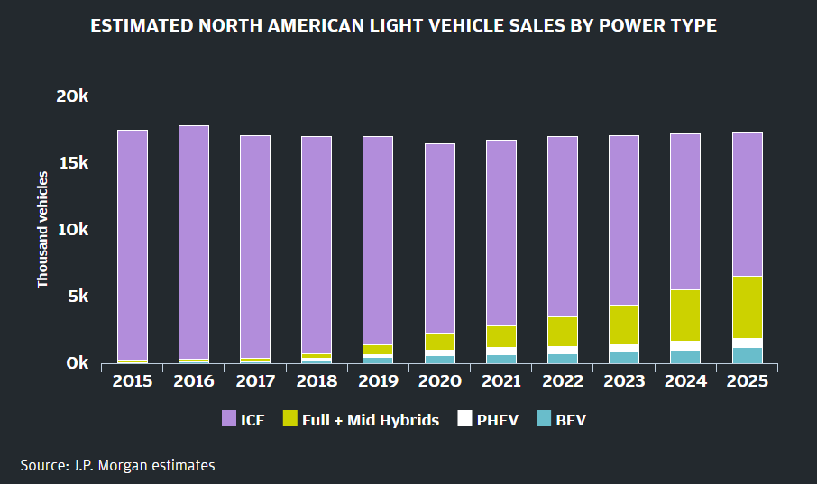

 |  |  |  |  |  |  |  |  |  | 2019
https://www.jpmorgan.com/global/research/electric-vehicles

 | http://www.edisonfoundation.net/iei/publications/Documents/IEI_EEI%20EV%20Forecast%20Report_Nov2018.pdf

 | Really a middle case, with US sales at ~3.5 mn in 2030
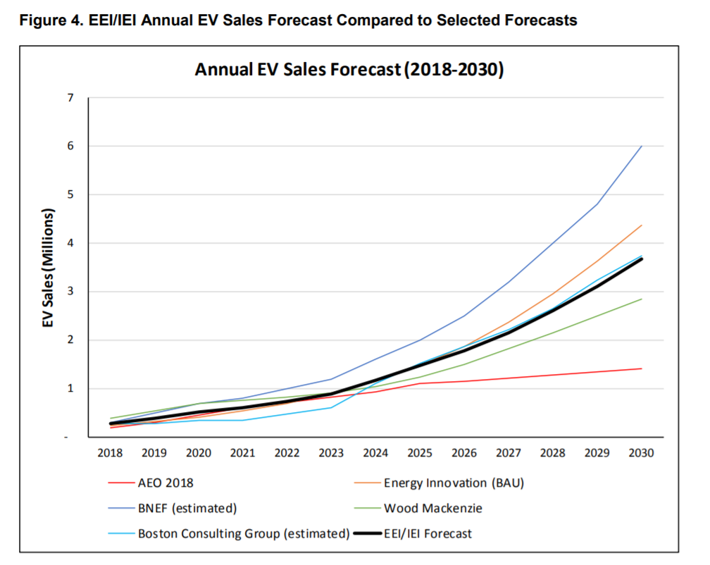

 |  |  |  |  |  |  |  |  |  |  | BNEF estimated at 2 million sales for US in 2025
 |  |  |  |  |  |  |  |  |  |  | implies for California | 1

Next 10
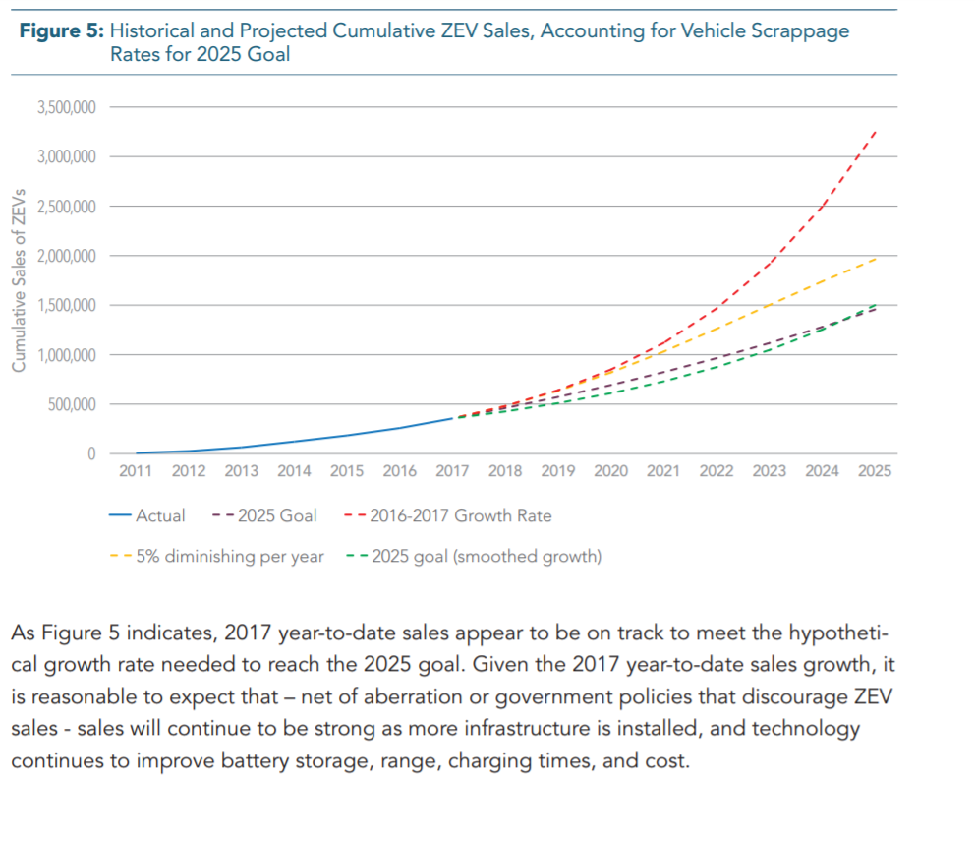
 | https://www.next10.org/grid-ev

 | 2015 | 2016 | 2017 | 2018 | 2019 | 2020 | 2021 | 2022 | 2023 | 2024 | 2025
Cum ZEV | 122000 | 197000 | 296000
 |  | 75000 | 99000

y-o-y change |  |  | 0.29
y-o-y declining |  |  |  | 0.29 | 0.232 | 0.1856 | 0.14848 | 0.118784 | 0.0950272 | 0.07602176 | 0.060817408

new |  |  |  | 127,710 | 164,746 | 212,522 | 274,154 | 353,658 | 456,219 | 588,523 | 759,194
new declining |  |  |  | 127,710 | 157,339 | 186,541 | 214,238 | 239,686 | 262,463 | 282,416 | 299,592
imputed annual sales

 |  |  |  |  |  |  |  |  |  |  |  | approximate as average of 2016-2017 growth rate and 5% diminishing rate
 |  |  |  |  |  |  |  |  |  |  |  | lower | higher | avg
 |  |  |  |  |  |  |  |  |  |  |  | 2 | 3.25 | 2.625

 |  |  |  | 127,710 | 137,710 | 147,710 | 158,110 | 158,110 | 158,110 | 158,110 | 158,110

Cum min |  |  |  | 423,710 | 561,420 | 709,130 | 867,240 | 1,025,350 | 1,183,460 | 1,341,570 | 1,499,680
Cum ZEV declining |  |  |  | 423710.0 | 581048.7 | 767589.5 | 981827.9 | 1221514.3 | 1483977.5 | 1766393.6 | 2065985.5
Cum ZEV |  |  |  | 423,710 | 588,456 | 800,978 | 1,075,132 | 1,428,790 | 1,885,009 | 2,473,532 | 3,232,726

 |  |  |  |  |  |  |  |  |  | avg | 2,266,130
Average of three |  |  |  | 423,710 | 576,975 | 759,233 | 974,733 | 1,225,218 | 1,517,482 | 1,860,498 | 2,266,130

RBC extension
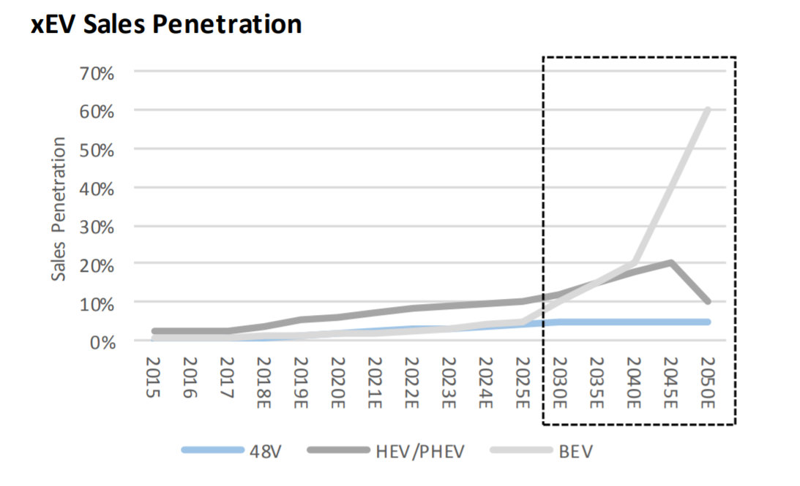
 | 2017 | 2018 | 2019 | 2020 | 2021 | 2022 | 2023 | 2024 | 2025 | 2026 | 2027 | 2028 | 2029 | 2030
Actual | 296 | 454
 |  |  |  |  |  |  |  |  | 1.3109132232 |  |  |  |  | 2.1677674383
 |  | 454 | 576.41617474 | 698.83234948 | 821.24852422 | 943.66469896 | 1066.0808737 | 1188.4970484 | 1310.9132232 | 1457.8126329 | 1605.9362043 | 1768.8721329 | 1948.1016543 | 2145.2541279
linear interpolation
annual 2017--2025 |  | 122.41617474 |  |  |  |  |  |  |  | 134.65779221 | 148.12357144 | 162.93592858 | 179.22952144 | 197.15247358
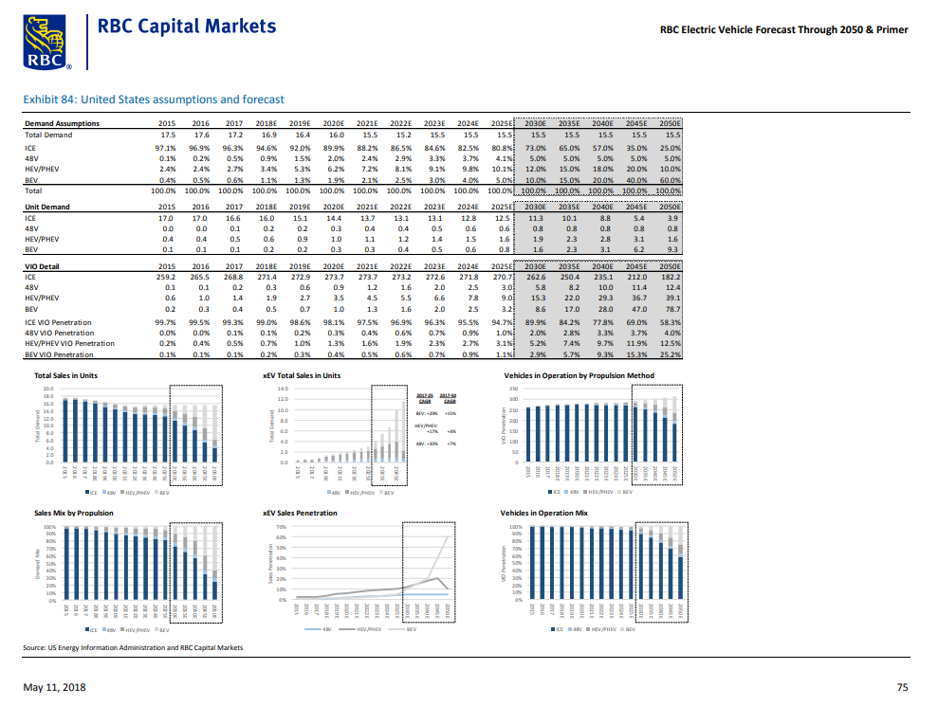
Then increasing rate

 |  |  |  |  |  |  | 0 | 2025 | 2030
 |  |  |  |  |  |  | PHEV | 291.536652 | 331.327454
 |  |  |  |  |  |  | Hybrid (not plug in) | 621.453308 | 777.440186
 |  |  |  |  |  |  | 0 | 0 | 0
 |  |  |  |  |  |  | use these ratios to assign the HEV/PHEV share | 0 | 0
 |  |  |  |  |  |  | imputed PHEV level | 0.31932076449 | 0.29882496751
 |  |  |  |  |  |  | HEV and PHEV | 1.6 | 1.9
 |  |  |  |  |  |  | PHEV | 0.51091322319 | 0.56776743827
 |  |  |  |  |  |  | 0 | 0 | 0
 |  |  |  |  |  |  | BEV | 0.8 | 1.6
 |  |  |  |  |  |  | 0 | 0 | 0
 |  |  |  |  |  |  | Cumulative

RBC Capital Markets
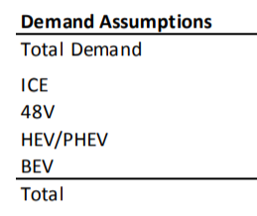
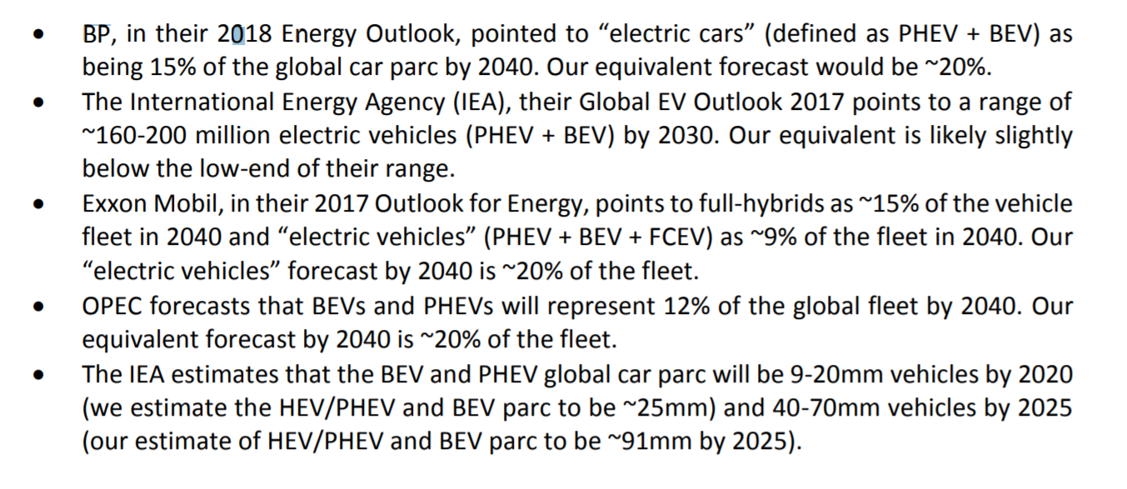
Source link

http://www.fullertreacymoney.com/system/data/files/PDFs/2018/May/14th/RBC%20Capital%20Markets_RBC%20Electric%20Vehicle%20Forecast%20Through%202050%20%20Primer_11May2018.pdf

Ratios from US EPA
 | 2025 | 2030
PHEV | 291.536652 | 331.327454
Hybrid (not plug in) | 621.453308 | 777.440186
 |  |  |  | 2025
use these ratios to assign the HEV/PHEV share |  |  |  | 1.6
imputed PHEV level | 0.31932076449 | 0.29882496751 |  | 0.8
HEV and PHEV | 1.6 | 1.9
PHEV | 0.51091322319 | 0.56776743827
 |  |  | CA @ half | 1.2
BEV | 0.8 | 1.6

Cumulative | 1.3109132232 | 2.1677674383

Acceture
 |  | 2017 | 2018 | 2019 | 2020 | 2021 | 2022 | 2023 | 2024 | 2025 |  |  |  |  | 2030
LDV sales in 2025 per EPS output |  |  | 1528106 | 1533023 | 1537645 | 1550338 | 1560079 | 1571504 | 1582513 | 1593337 | 1599941 | 1609613 | 1618777 | 1627551 | 1635841
Fraction of sales |  |  | 0.09 | 0.15 | 0.2 | 0.26 | 0.34 | 0.42 | 0.525 | 0.675 | 0.675 | 0.675 | 0.675 | 0.675 | 0.675
 |  |  | 137529.54 | 229953.45 | 307529 | 403087.88 | 530426.86 | 660031.68 | 830819.325 | 1075502.475 | 1079960.175 | 1086488.775 | 1092674.475 | 1098596.925 | 1104192.675
stock |  | 380,000 | 517529.54 | 747482.99 | 1055011.99 | 1458099.87 | 1988526.73 | 2648558.41 | 3479377.735 | 4554880.21 | 5634840.385 | 6721329.16 | 7814003.635 | 8912600.56 | 10016793.235
year-over-year % |  |  |  | 0.66666666667 | 0.33333333333 | 0.3 | 0.30769230769 | 0.23529411765 | 0.25 | 0.28571428571 | 0.27142857143 | 0.24816326531 | 0.23043731778 | 0.21933870411 | 0.21266262227
 |  |  |  |  |  |  |  |  | increasing at declining 20% forward

 |  | 2017 | 2018 | 2019 | 2020 | 2021 | 2022 | 2023 | 2024 | 2025 | 2026 | 2027 | 2028 | 2029 | 2030
LDV sales per EPS output |  |  | 1528106 | 1533023 | 1537645 | 1550338 | 1560079 | 1571504 | 1582513 | 1593337 | 1599941 | 1609613 | 1618777 | 1627551 | 1635841
 |  |  | 0.08 | 0.09 | 0.1 | 0.11 | 0.12 | 0.14 | 0.16 | 0.2 | 0.22 | 0.24 | 0.3 | 0.33 | 0.38
ZEV additions |  |  | 122,248 | 137,972 | 153,765 | 170,537 | 187,209 | 220,011 | 253,202 | 318,667 | 351,987 | 386,307 | 485,633 | 537,092 | 621,620
stock |  | 380,000 | 502,248 | 640,221 | 793,985 | 964,522 | 1,151,732 | 1,371,742 | 1,624,944 | 1,943,612 | 2,295,599 | 2,681,906 | 3,167,539 | 3,704,631 | 4,326,250
year-over-year % |  |  |  | 0.66666666667 | 0.33333333333 | 0.3 | 0.30769230769 | 0.23529411765 | 0.25 | 0.28571428571 | 0.27142857143 | 0.24816326531 | 0.23043731778 | 0.21933870411 | 0.21266262227
 |  |  |  |  |  |  |  |  | increasing at declining 20% forward

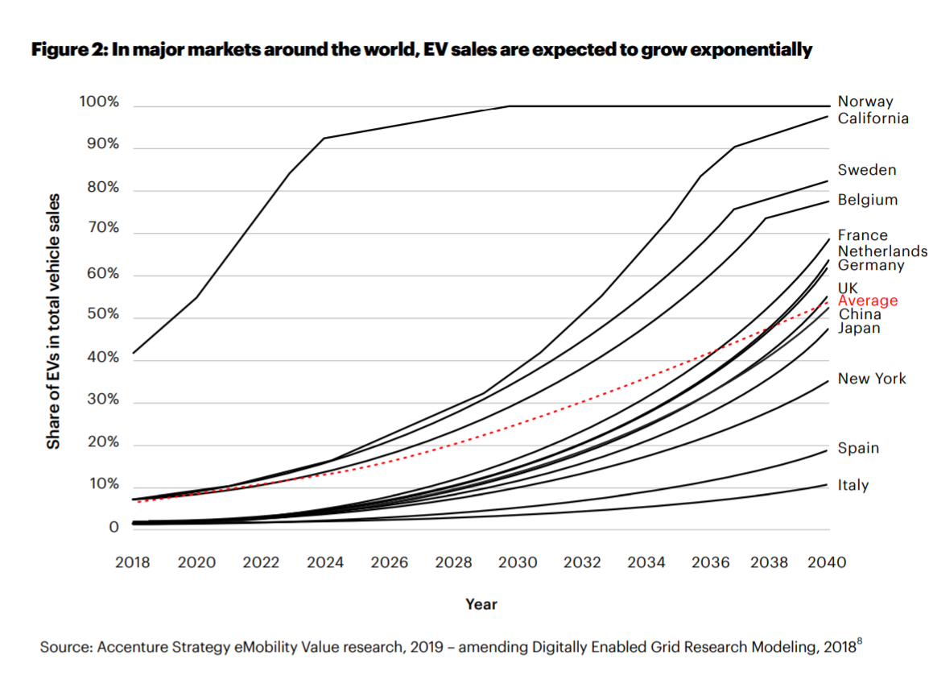

 |  |  |  |  |  |  |  |  |  |  |  |  | By inspection, 2025 and 2030 points estimated

 |  |  |  |  |  |  |  |  |  |  |  |  | In 2020 sales rise to 10%

 |  |  |  |  |  |  |  |  |  |  |  |  | 2025 | 20%

 |  |  |  |  |  |  |  |  |  |  |  |  | 2028 | 30%

 |  |  |  |  |  |  |  |  |  |  |  |  | 2030 | 38%

 | Link to source

BNEF
 | in sales
11 million vehicles sold | 2025 | 2030
11% in US | 605,000 | 1,650,000
Assume half in California as today

 | https://about.bnef.com/electric-vehicle-outlook/#toc-download

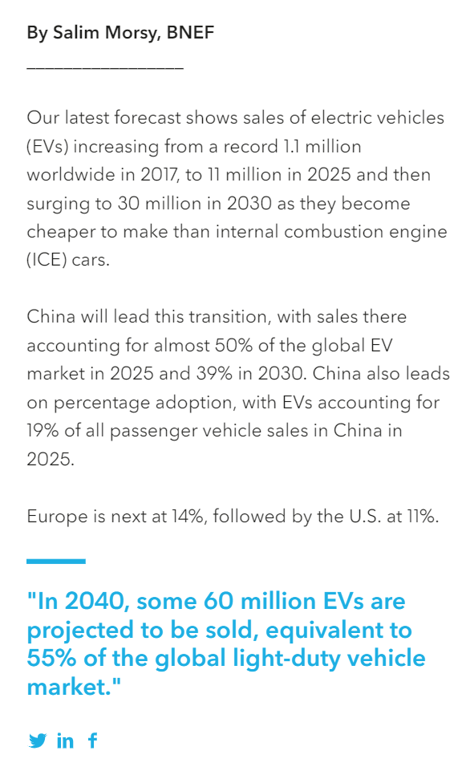

 |  |  | BNEF
 |  |  | auot outlook

BNEF time series imputed
Finding a representation for the BNEF curve

y = 78444080 + (123.791 - 78444080)/(1 + (x/781.8152)^2.986274)

BNEF calcs

 | 2017 | 2018 | 2019 | 2020 | 2021 | 2022 | 2023 | 2024 | 2025 | 2026 | 2027 | 2028 | 2029 | 2030
 | 1 | 2 | 3 | 4 | 5 | 6 | 7 | 8 | 9 | 10 | 11 | 12 | 13 | 14
 | 125.97060341 | 128.74969089 | 134.75141388 | 144.75357413 | 159.41418678 | 179.31558943 | 204.98647058 | 236.91483688 | 275.5564338 | 321.34058994 | 374.67447239 | 435.94630271 | 505.52785724 | 583.77645874
 |  | 454 | 588.75141388 | 733.50498801 | 892.91917479 | 1072.2347642 | 1277.2212348 | 1514.1360717 | 1789.6925055 | 2111.0330954 | 2485.7075678 | 2921.6538705 | 3427.1817278 | 4010.9581865
 |  |  |  |  |  |  |  |  | 1.7896925055 |  |  |  |  | 4.0109581865 | stoch

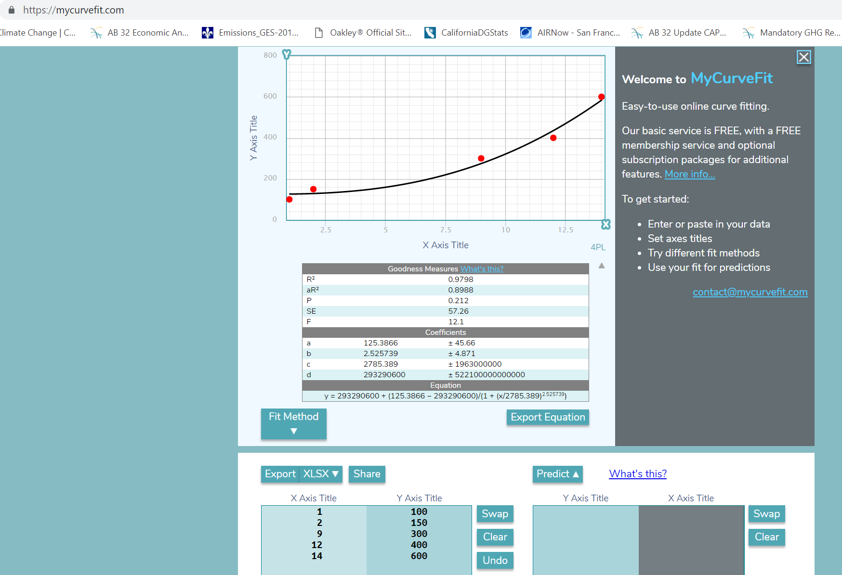

y = 293290600 + (125.3866 - 293290600)/(1 + (x/2785.389)^2.525739)

Empirical trends
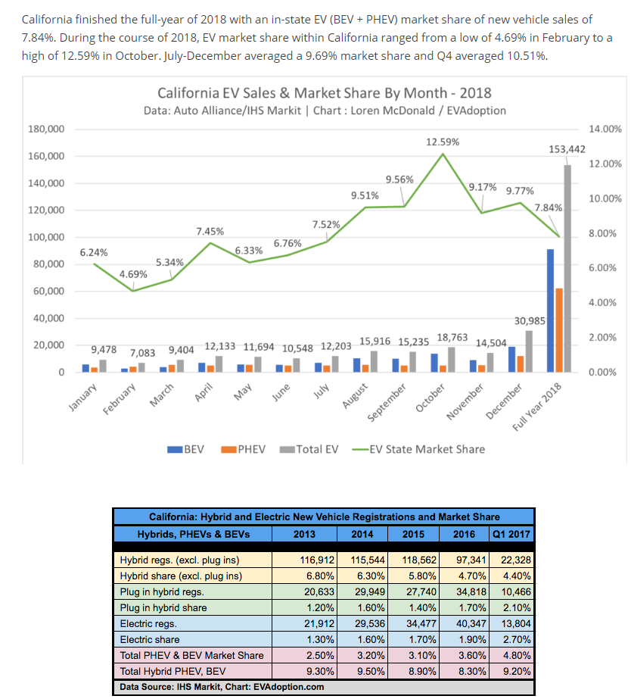
 | Driven by pent up demand,
 | Q4 2017 | Q4 2018 | difference for the quarter | scaled up to 2 quarter / half year effect.
 | 6,003 | 25,969 | 19,966 | 39932

Suppose half of this Q4 and the same amount from Q3 2018 were in effect "pulled forward" from 2019 due to pent up demand and a rush to claim expiring federal tax credits.
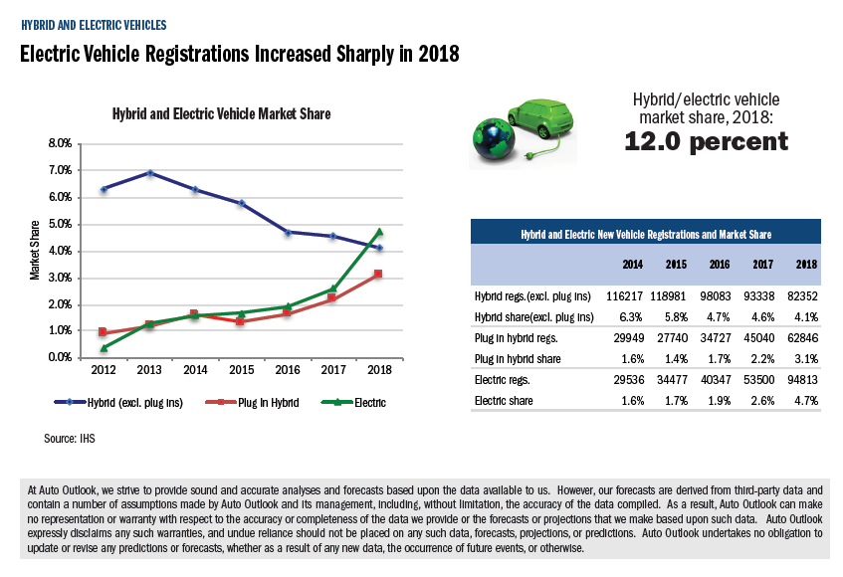

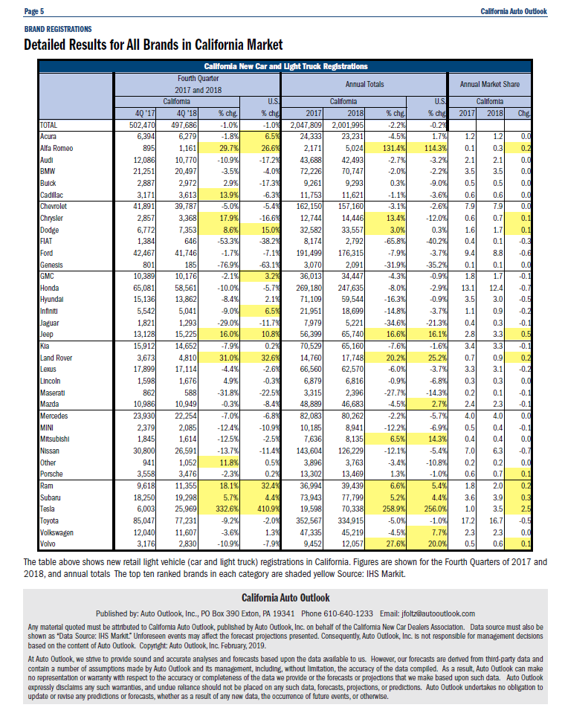

 |  |  |  |  |  |  |  |  |  | 2018
 |  |  |  |  | phev | 30000 | 28000 | 35000 | 45000 | 63000
 |  |  |  |  | bev | 30000 | 34000 | 40000 | 54000 | 95000
 |  |  |  |  | annual | 60000 | 62000 | 75000 | 99000 | 158000
 |  |  |  |  | cum | 60000 | 122000 | 197000 | 296000 | 454000

 |  | https://www.barrons.com/articles/tesla-and-gm-watch-tax-credits-dwindle-51546620648
 |  | Tesla, for its part, was first to meet the mark, and the company this week addressed that by announcing price cuts across its product line that go much, though not all, of the way toward offsetting the first step of the phaseout. (Elon Musk late last year turned to Twitter regularly to exhort potential buyers to get their orders in before the credit expired.)

 | https://evadoption.com/ev-market-share/ev-market-share-california/

IEA
Not used, but for background:

In the IEA’s New Policies Scenario, which takes into account current and planned policies, the number of electric cars is projected to reach 125 million units by 2030.

https://www.iea.org/newsroom/news/2018/may/strong-policy-and-falling-battery-costs-drive-another-record-year-for-electric-ca.html

The IEA’s latest Tracking Clean Energy Progress report shows that EVs are one of the 4 technologies out of 38 that are on track to meet long-term sustainability goals.

Cleary shows 50 mn electric LDVs in 2025 | 50 | 2025
 | 128 | 2030

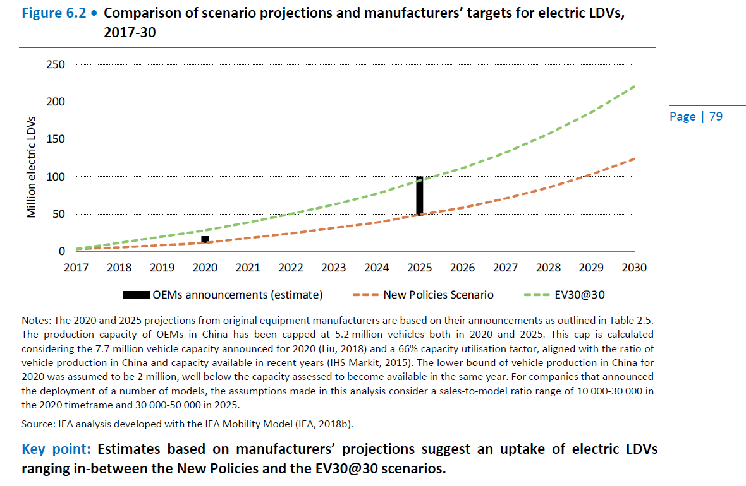

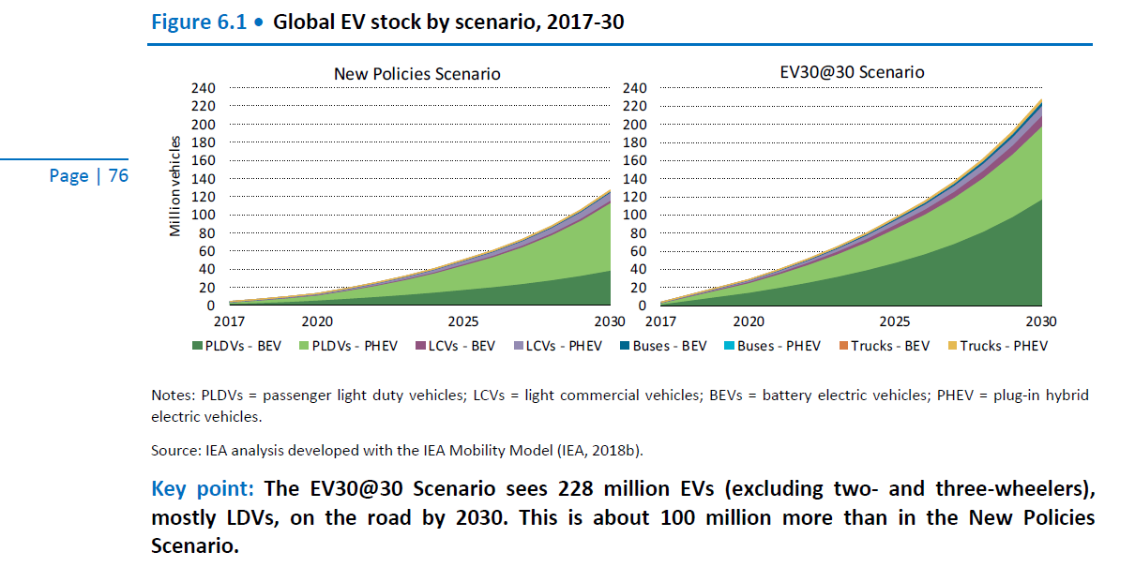

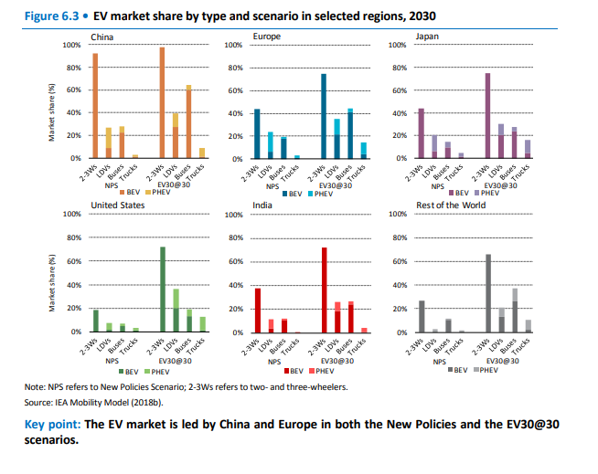

 |  |  | https://webstore.iea.org/download/direct/1045?fileName=Global_EV_Outlook_2018.pdf

 |  |  | NPS /lower scenario

 |  |  | On the sales front, 3.9 million electric LDVs are sold in 2020
 |  |  | (3% of the global LDV market) and 21 million in 2030 (13% of the global LDV market) in the New
 |  |  | Policies Scenario.

 |  |  | pg 77

